Q1) Looms
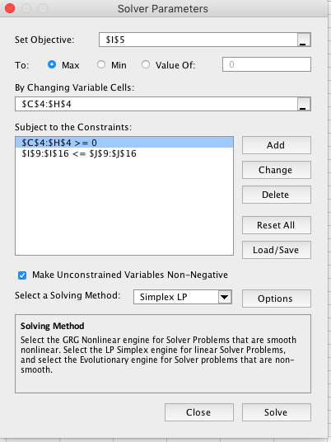
 | Loom 1 | Loom 2 | Loom 3 | Loom 4 | Loom 5 | Loom 6 | Total Profit
Production quantity | 269 | 0.00 | 1 | 49 | 65 | 15
Unit Profits | 300 | 320 | 340 | 360 | 380 | 400 | 129380

Constraints | Production Available per Unit |  |  |  |  |  | LHS | RHS
 |  |  |  |  |  |  | Resources Used | Resources Available
Resource 1 | 1 | 6 | 8 | 10 | 12 | 2 | 1577 | 1577
Resource 2 | 6 | 1 | 5 | 4 | 2 | 3 | 1990 | 1990
Resource 3 | 3 | 4 | 1 | 2 | 5 | 6 | 1321 | 1321
Resource 4 | 6 | 5 | 2 | 1 | 3 | 4 | 1920 | 1920
Resource 5 | 3 | 2 | 6 | 4 | 1 | 5 | 1149 | 1149
Resource 6 | 2 | 5 | 6 | 3 | 4 | 1 | 966 | 1000
Resource 7 | 3 | 2 | 5 | 6 | 1 | 4 | 1231 | 1231
Resource 8 | 5 | 6 | 2 | 1 | 3 | 4 | 1651 | 2000

Decision variables
Objective functions
LHS constraints
Non negativity constraints

Q1e)
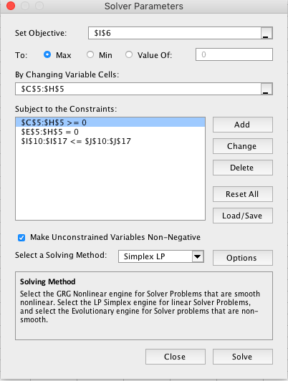
Setting X3 = X4 = X5 = X6 = 0

 | Loom 1 | Loom 2 | Loom 3 | Loom 4 | Loom 5 | Loom 6
Number to Make | 230 | 108 | 0 | 0 | 0 | 0 | Total Profit
Unit Profits | 300 | 320 | 340 | 360 | 380 | 400 | 103560

Constraints | Production Available Per Unit |  |  |  |  |  | LHS | RHS
 |  |  |  |  |  |  | Resources Used | Resources Available
Resource 1 | 1 | 6 | 8 | 10 | 12 | 2 | 878 | 1577
Resource 2 | 6 | 1 | 5 | 4 | 2 | 3 | 1488 | 1990
Resource 3 | 3 | 4 | 1 | 2 | 5 | 6 | 1122 | 1321
Resource 4 | 6 | 5 | 2 | 1 | 3 | 4 | 1920 | 1920
Resource 5 | 3 | 2 | 6 | 4 | 1 | 5 | 906 | 1149
Resource 6 | 2 | 5 | 6 | 3 | 4 | 1 | 1000 | 1000
Resource 7 | 3 | 2 | 5 | 6 | 1 | 4 | 906 | 1231
Resource 8 | 5 | 6 | 2 | 1 | 3 | 4 | 1798 | 2000

Decision variables
Objective functions
LHS constraints
Non negativity constraints

Q1f)

Setting X4 = X5 = X6 = 0

 | Loom 1 | Loom 2 | Loom 3 | Loom 4 | Loom 5 | Loom 6
Number to Make | 271.90 | 40.97 | 41.90 | 0 | 0 | 0 | Total Profit
Unit Profits | 300 | 320 | 340 | 360 | 380 | 400 | 108922.76

Constraints | Production Available Per Unit |  |  |  |  |  | LHS | RHS
 |  |  |  |  |  |  | Resources Used | Resources Available
Resource 1 | 1 | 6 | 8 | 10 | 12 | 2 | 852.9 | 1577
Resource 2 | 6 | 1 | 5 | 4 | 2 | 3 | 1881.8 | 1990
Resource 3 | 3 | 4 | 1 | 2 | 5 | 6 | 1021.4 | 1321
Resource 4 | 6 | 5 | 2 | 1 | 3 | 4 | 1920.0 | 1920
Resource 5 | 3 | 2 | 6 | 4 | 1 | 5 | 1149.0 | 1149
Resource 6 | 2 | 5 | 6 | 3 | 4 | 1 | 1000.0 | 1000
Resource 7 | 3 | 2 | 5 | 6 | 1 | 4 | 1107.1 | 1231
Resource 8 | 5 | 6 | 2 | 1 | 3 | 4 | 1689.1 | 2000

Decision variables
Objective functions
LHS constraints
Non negativity constraints

Q1g)
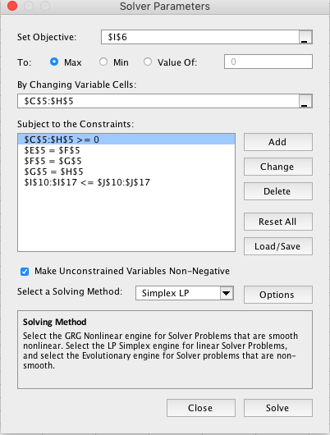
Setting X3 = X4 = X5 = X6

 | Loom 1 | Loom 2 | Loom 3 | Loom 4 | Loom 5 | Loom 6
Number to Make | 249.29 | 46.29 | 19.29 | 19.29 | 19.29 | 19.29 | Total Profit
Unit Profits | 300 | 320 | 340 | 360 | 380 | 400 | 118140

Constraints | Production Available Per Unit |  |  |  |  |  | LHS | RHS
 |  |  |  |  |  |  | Resources Used | Resources Available
Resource 1 | 1 | 6 | 8 | 10 | 12 | 2 | 1144 | 1577
Resource 2 | 6 | 1 | 5 | 4 | 2 | 3 | 1812 | 1990
Resource 3 | 3 | 4 | 1 | 2 | 5 | 6 | 1203 | 1321
Resource 4 | 6 | 5 | 2 | 1 | 3 | 4 | 1920 | 1920
Resource 5 | 3 | 2 | 6 | 4 | 1 | 5 | 1149 | 1149
Resource 6 | 2 | 5 | 6 | 3 | 4 | 1 | 1000 | 1000
Resource 7 | 3 | 2 | 5 | 6 | 1 | 4 | 1149 | 1231
Resource 8 | 5 | 6 | 2 | 1 | 3 | 4 | 1717 | 2000

Decision variables
Objective functions
LHS constraints
Non negativity constraints

Q1j)
From 1d) Optimal Solution

 | Loom 1 | Loom 2 | Loom 3 | Loom 4 | Loom 5 | Loom 6 | Total Profit
Production quantity | 269 | 0.00 | 1 | 49 | 65 | 15
Unit Profits | 300 | 320 | 340 | 360 | 380 | 400 | 129380

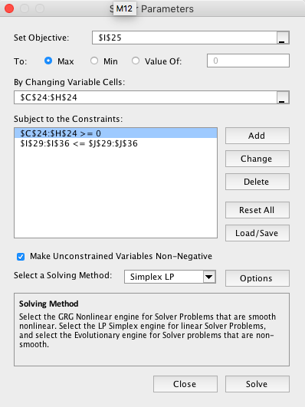
Constraints | Production Available per Unit |  |  |  |  |  | LHS | RHS
 |  |  |  |  |  |  | Resources Used | Resources Available
Resource 1 | 1 | 6 | 8 | 10 | 12 | 2 | 1577 | 1577
Resource 2 | 6 | 1 | 5 | 4 | 2 | 3 | 1990 | 1990
Resource 3 | 3 | 4 | 1 | 2 | 5 | 6 | 1321 | 1321
Resource 4 | 6 | 5 | 2 | 1 | 3 | 4 | 1920 | 1920
Resource 5 | 3 | 2 | 6 | 4 | 1 | 5 | 1149 | 1149
Resource 6 | 2 | 5 | 6 | 3 | 4 | 1 | 966 | 1000
Resource 7 | 3 | 2 | 5 | 6 | 1 | 4 | 1231 | 1231
Resource 8 | 5 | 6 | 2 | 1 | 3 | 4 | 1651 | 2000

Increase of 4% in amount of Resource 8 available

 | Loom 1 | Loom 2 | Loom 3 | Loom 4 | Loom 5 | Loom 6 | Total Profit
Production quantity | 269.00 | 0.00 | 1 | 49.00 | 65.00 | 15.00
Unit Profits | 300 | 320 | 340 | 360 | 380 | 400 | 129380.00

Constraints | Production Available per Unit |  |  |  |  |  | LHS | RHS
 |  |  |  |  |  |  | Resources Used | Resources Available
Resource 1 | 1 | 6 | 8 | 10 | 12 | 2 | 1577 | 1577
Resource 2 | 6 | 1 | 5 | 4 | 2 | 3 | 1990.00 | 1990
Resource 3 | 3 | 4 | 1 | 2 | 5 | 6 | 1321 | 1321
Resource 4 | 6 | 5 | 2 | 1 | 3 | 4 | 1920.00 | 1920
Resource 5 | 3 | 2 | 6 | 4 | 1 | 5 | 1149 | 1149
Resource 6 | 2 | 5 | 6 | 3 | 4 | 1 | 966 | 1000
Resource 7 | 3 | 2 | 5 | 6 | 1 | 4 | 1231.00 | 1231
Resource 8 | 5 | 6 | 2 | 1 | 3 | 4 | 1651.00 | 2080

Decision variables
Objective functions
LHS constraints
Non negativity constraints

Q1l)
From 1d) Optimal Solution

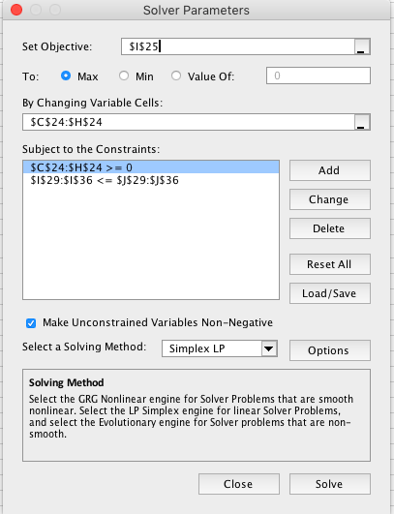
 | Loom 1 | Loom 2 | Loom 3 | Loom 4 | Loom 5 | Loom 6 | Total Profit
Production quantity | 269 | 0.00 | 1 | 49 | 65 | 15
Unit Profits | 300 | 320 | 340 | 360 | 380 | 400 | 129380

Constraints | Production Available per Unit |  |  |  |  |  | LHS | RHS
 |  |  |  |  |  |  | Resources Used | Resources Available
Resource 1 | 1 | 6 | 8 | 10 | 12 | 2 | 1577 | 1577
Resource 2 | 6 | 1 | 5 | 4 | 2 | 3 | 1990 | 1990
Resource 3 | 3 | 4 | 1 | 2 | 5 | 6 | 1321 | 1321
Resource 4 | 6 | 5 | 2 | 1 | 3 | 4 | 1920 | 1920
Resource 5 | 3 | 2 | 6 | 4 | 1 | 5 | 1149 | 1149
Resource 6 | 2 | 5 | 6 | 3 | 4 | 1 | 966 | 1000
Resource 7 | 3 | 2 | 5 | 6 | 1 | 4 | 1231 | 1231
Resource 8 | 5 | 6 | 2 | 1 | 3 | 4 | 1651 | 2000

Increase profitability of each loom by 2%

 | Loom 1 | Loom 2 | Loom 3 | Loom 4 | Loom 5 | Loom 6 | Total Profit
Production quantity | 269 | 0.00 | 1 | 49 | 65 | 15
Unit Profits | 306 | 326.4 | 346.8 | 367.2 | 387.6 | 408 | 131967.6

Constraints | Production Available per Unit |  |  |  |  |  | LHS | RHS
 |  |  |  |  |  |  | Resources Used | Resources Available
Resource 1 | 1 | 6 | 8 | 10 | 12 | 2 | 1577 | 1577
Resource 2 | 6 | 1 | 5 | 4 | 2 | 3 | 1990 | 1990
Resource 3 | 3 | 4 | 1 | 2 | 5 | 6 | 1321 | 1321
Resource 4 | 6 | 5 | 2 | 1 | 3 | 4 | 1920 | 1920
Resource 5 | 3 | 2 | 6 | 4 | 1 | 5 | 1149 | 1149
Resource 6 | 2 | 5 | 6 | 3 | 4 | 1 | 966 | 1000
Resource 7 | 3 | 2 | 5 | 6 | 1 | 4 | 1231 | 1231
Resource 8 | 5 | 6 | 2 | 1 | 3 | 4 | 1651 | 2000

Qlo)
From 1d) Optimal Solution

 | Loom 1 | Loom 2 | Loom 3 | Loom 4 | Loom 5 | Loom 6 | Total Profit
Production quantity | 269 | 0.00 | 1 | 49 | 65 | 15
Unit Profits | 300 | 320 | 340 | 360 | 380 | 400 | 129380
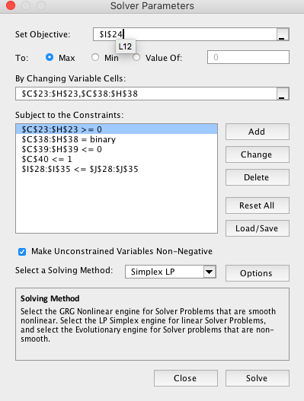
Constraints | Production Available per Unit |  |  |  |  |  | LHS | RHS
 |  |  |  |  |  |  | Resources Used | Resources Available
Resource 1 | 1 | 6 | 8 | 10 | 12 | 2 | 1577 | 1577
Resource 2 | 6 | 1 | 5 | 4 | 2 | 3 | 1990 | 1990
Resource 3 | 3 | 4 | 1 | 2 | 5 | 6 | 1321 | 1321
Resource 4 | 6 | 5 | 2 | 1 | 3 | 4 | 1920 | 1920
Resource 5 | 3 | 2 | 6 | 4 | 1 | 5 | 1149 | 1149
Resource 6 | 2 | 5 | 6 | 3 | 4 | 1 | 966 | 1000
Resource 7 | 3 | 2 | 5 | 6 | 1 | 4 | 1231 | 1231
Resource 8 | 5 | 6 | 2 | 1 | 3 | 4 | 1651 | 2000

Additional constraints: X5 > 0 then X1 = 0

 | Loom 1 | Loom 2 | Loom 3 | Loom 4 | Loom 5 | Loom 6 | Total Profit
Production quantity | 209.30 | 90.56 | 0.00 | 27.54 | 0.00 | 45.96
Unit Profits | 300 | 320 | 340 | 360 | 380 | 400 | 120069.67

Constraints | Production Available per Unit |  |  |  |  |  | LHS | RHS
 |  |  |  |  |  |  | Resources Used | Resources Available
Resource 1 | 1 | 6 | 8 | 10 | 12 | 2 | 1120.02 | 1577
Resource 2 | 6 | 1 | 5 | 4 | 2 | 3 | 1594.42 | 1990
Resource 3 | 3 | 4 | 1 | 2 | 5 | 6 | 1321.00 | 1321
Resource 4 | 6 | 5 | 2 | 1 | 3 | 4 | 1920.00 | 1920
Resource 5 | 3 | 2 | 6 | 4 | 1 | 5 | 1149.00 | 1149
Resource 6 | 2 | 5 | 6 | 3 | 4 | 1 | 1000.00 | 1000
Resource 7 | 3 | 2 | 5 | 6 | 1 | 4 | 1158.12 | 1231
Resource 8 | 5 | 6 | 2 | 1 | 3 | 4 | 1801.26 | 2000

Binary Variables | 1 | 1 | 0 | 1 | 0 | 1
Linking Constraints | -110.70 | -109.44 | 0.00 | -130.16 | 0.00 | -174.21
Condition | 1

Decision variables
Objective functions
LHS constraints
Non negativity constraints

Qlp)
From 1d) Optimal Solution

 | Loom 1 | Loom 2 | Loom 3 | Loom 4 | Loom 5 | Loom 6 | Total Profit
Production quantity | 269 | 0.00 | 1 | 49 | 65 | 15
Unit Profits | 300 | 320 | 340 | 360 | 380 | 400 | 129380

Constraints | Production Available per Unit |  |  |  |  |  | LHS | RHS
 |  |  |  |  |  |  | Resources Used | Resources Available
Resource 1 | 1 | 6 | 8 | 10 | 12 | 2 | 13900 | 1577
Resource 2 | 6 | 1 | 5 | 4 | 2 | 3 | 7220 | 1990
Resource 3 | 3 | 4 | 1 | 2 | 5 | 6 | 7540 | 1321
Resource 4 | 6 | 5 | 2 | 1 | 3 | 4 | 7180 | 1920
Resource 5 | 3 | 2 | 6 | 4 | 1 | 5 | 7400 | 1149
Resource 6 | 2 | 5 | 6 | 3 | 4 | 1 | 7240 | 1000
Resource 7 | 3 | 2 | 5 | 6 | 1 | 4 | 7380 | 1231
Resource 8 | 5 | 6 | 2 | 1 | 3 | 4 | 7200 | 2000

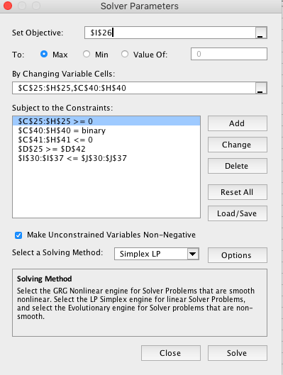
Additional constraint X1 > 0 and X2 >= 80

 | Loom 1 | Loom 2 | Loom 3 | Loom 4 | Loom 5 | Loom 6 | Total Profit
Production quantity | 216.43 | 80.00 | 0.00 | 31.03 | 8.14 | 41.49
Unit Profits | 300 | 320 | 340 | 360 | 380 | 400 | 121389.27

Constraints | Production Available per Unit |  |  |  |  |  | LHS | RHS
 |  |  |  |  |  |  | Resources Used | Resources Available
Resource 1 | 1 | 6 | 8 | 10 | 12 | 2 | 1187.38 | 1577
Resource 2 | 6 | 1 | 5 | 4 | 2 | 3 | 1643.45 | 1990
Resource 3 | 3 | 4 | 1 | 2 | 5 | 6 | 1321.00 | 1321
Resource 4 | 6 | 5 | 2 | 1 | 3 | 4 | 1920.00 | 1920
Resource 5 | 3 | 2 | 6 | 4 | 1 | 5 | 1149.00 | 1149
Resource 6 | 2 | 5 | 6 | 3 | 4 | 1 | 1000.00 | 1000
Resource 7 | 3 | 2 | 5 | 6 | 1 | 4 | 1169.56 | 1231
Resource 8 | 5 | 6 | 2 | 1 | 3 | 4 | 1783.57 | 2000

Binary Variables | 1 | 1 | 0 | 1 | 1 | 1
Linking Constraints | -103.57 | -120.00 | 0.00 | -126.67 | -123.28 | -178.68
Condition |  | 80

Decision variables
Objective functions
LHS constraints
Non negativity constraints

Q1q)
From 1d) Optimal Solution

 | Loom 1 | Loom 2 | Loom 3 | Loom 4 | Loom 5 | Loom 6 | Total Profit
Production quantity | 269 | 0.00 | 1 | 49 | 65 | 15
Unit Profits | 300 | 320 | 340 | 360 | 380 | 400 | 129380

Constraints | Production Available per Unit |  |  |  |  |  | LHS | RHS
 |  |  |  |  |  |  | Resources Used | Resources Available
Resource 1 | 1 | 6 | 8 | 10 | 12 | 2 | 1577 | 1577
Resource 2 | 6 | 1 | 5 | 4 | 2 | 3 | 1990 | 1990
Resource 3 | 3 | 4 | 1 | 2 | 5 | 6 | 1321 | 1321
Resource 4 | 6 | 5 | 2 | 1 | 3 | 4 | 1920 | 1920
Resource 5 | 3 | 2 | 6 | 4 | 1 | 5 | 1149 | 1149
Resource 6 | 2 | 5 | 6 | 3 | 4 | 1 | 966 | 1000
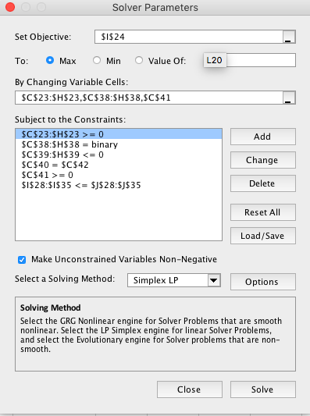
Resource 7 | 3 | 2 | 5 | 6 | 1 | 4 | 1231 | 1231
Resource 8 | 5 | 6 | 2 | 1 | 3 | 4 | 1651 | 2000

Xi is odd number and other looms Li all having Xi = 0

 | Loom 1 | Loom 2 | Loom 3 | Loom 4 | Loom 5 | Loom 6 | Total Profit
Production quantity | 269.00 | 0.00 | 1.00 | 49.00 | 65.00 | 15.00
Unit Profits | 300 | 320 | 340 | 360 | 380 | 400 | 129380.00

Constraints | Production Available per Unit |  |  |  |  |  | LHS | RHS
 |  |  |  |  |  |  | Resources Used | Resources Available
Resource 1 | 1 | 6 | 8 | 10 | 12 | 2 | 1577.00 | 1577
Resource 2 | 6 | 1 | 5 | 4 | 2 | 3 | 1990.00 | 1990
Resource 3 | 3 | 4 | 1 | 2 | 5 | 6 | 1321.00 | 1321
Resource 4 | 6 | 5 | 2 | 1 | 3 | 4 | 1920.00 | 1920
Resource 5 | 3 | 2 | 6 | 4 | 1 | 5 | 1149.00 | 1149
Resource 6 | 2 | 5 | 6 | 3 | 4 | 1 | 966.00 | 1000
Resource 7 | 3 | 2 | 5 | 6 | 1 | 4 | 1231.00 | 1231
Resource 8 | 5 | 6 | 2 | 1 | 3 | 4 | 1651.00 | 2000

Binary Variables | 1 | 0 | 1 | 1 | 1 | 1
Linking Constraints | -51.00 | 0.00 | -165.67 | -108.70 | -66.42 | -205.17
Binary Sum | 5.00
Number | 2.00
Odd Multiplication | 5

Decision variables
Objective functions
LHS constraints
Non negativity constraints

Q1r)
From 1d) Optimal Solution

 | Loom 1 | Loom 2 | Loom 3 | Loom 4 | Loom 5 | Loom 6 | Total Profit
Production quantity | 269 | 0.00 | 1 | 49 | 65 | 15
Unit Profits | 300 | 320 | 340 | 360 | 380 | 400 | 129380

Constraints | Production Available per Unit |  |  |  |  |  | LHS | RHS
 |  |  |  |  |  |  | Resources Used | Resources Available
Resource 1 | 1 | 6 | 8 | 10 | 12 | 2 | 1577 | 1577
Resource 2 | 6 | 1 | 5 | 4 | 2 | 3 | 1990 | 1990
Resource 3 | 3 | 4 | 1 | 2 | 5 | 6 | 1321 | 1321
Resource 4 | 6 | 5 | 2 | 1 | 3 | 4 | 1920 | 1920
Resource 5 | 3 | 2 | 6 | 4 | 1 | 5 | 1149 | 1149
Resource 6 | 2 | 5 | 6 | 3 | 4 | 1 | 966 | 1000
Resource 7 | 3 | 2 | 5 | 6 | 1 | 4 | 1231 | 1231
Resource 8 | 5 | 6 | 2 | 1 | 3 | 4 | 1651 | 2000

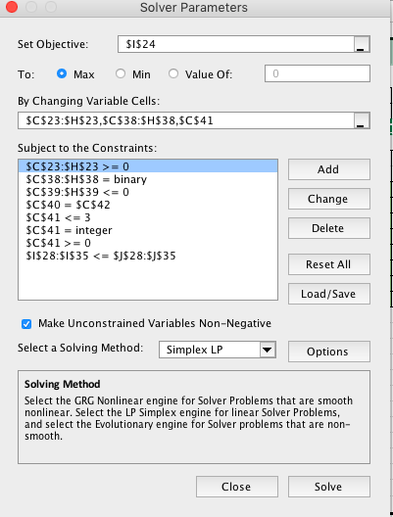
Xi is even number and other looms Li all having Xi = 0

 | Loom 1 | Loom 2 | Loom 3 | Loom 4 | Loom 5 | Loom 6 | Total Profit
Production quantity | 269.00 | 0.00 | 1.00 | 49.00 | 65.00 | 15.00
Unit Profits | 300 | 320 | 340 | 360 | 380 | 400 | 129380.00

Constraints | Production Available per Unit |  |  |  |  |  | LHS | RHS
 |  |  |  |  |  |  | Resources Used | Resources Available
Resource 1 | 1 | 6 | 8 | 10 | 12 | 2 | 1577.00 | 1577
Resource 2 | 6 | 1 | 5 | 4 | 2 | 3 | 1990.00 | 1990
Resource 3 | 3 | 4 | 1 | 2 | 5 | 6 | 1321.00 | 1321
Resource 4 | 6 | 5 | 2 | 1 | 3 | 4 | 1920.00 | 1920
Resource 5 | 3 | 2 | 6 | 4 | 1 | 5 | 1149.00 | 1149
Resource 6 | 2 | 5 | 6 | 3 | 4 | 1 | 966.00 | 1000
Resource 7 | 3 | 2 | 5 | 6 | 1 | 4 | 1231.00 | 1231
Resource 8 | 5 | 6 | 2 | 1 | 3 | 4 | 1651.00 | 2000

Binary Variables | 1 | 1 | 1 | 1 | 1 | 1
Linking Constraints | -51.00 | -200.00 | -165.67 | -108.70 | -66.42 | -205.17
Binary Sum | 6.00
Number | 3.00
Even Multiplication | 6

Decision variables
Objective functions
LHS constraints
Non negativity constraints

Qls)
From 1d) Optimal Solution

 | Loom 1 | Loom 2 | Loom 3 | Loom 4 | Loom 5 | Loom 6 | Total Profit
Production quantity | 269 | 0.00 | 1 | 49 | 65 | 15
Unit Profits | 300 | 320 | 340 | 360 | 380 | 400 | 129380

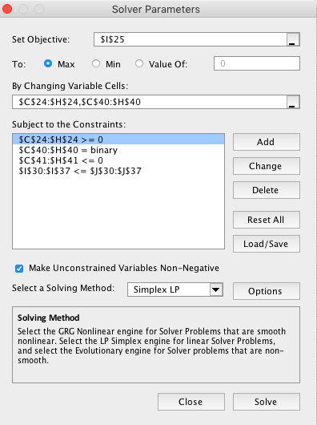
Constraints | Production Available per Unit |  |  |  |  |  | LHS | RHS
 |  |  |  |  |  |  | Resources Used | Resources Available
Resource 1 | 1 | 6 | 8 | 10 | 12 | 2 | 1577 | 1577
Resource 2 | 6 | 1 | 5 | 4 | 2 | 3 | 1990 | 1990
Resource 3 | 3 | 4 | 1 | 2 | 5 | 6 | 1321 | 1321
Resource 4 | 6 | 5 | 2 | 1 | 3 | 4 | 1920 | 1920
Resource 5 | 3 | 2 | 6 | 4 | 1 | 5 | 1149 | 1149
Resource 6 | 2 | 5 | 6 | 3 | 4 | 1 | 966 | 1000
Resource 7 | 3 | 2 | 5 | 6 | 1 | 4 | 1231 | 1231
Resource 8 | 5 | 6 | 2 | 1 | 3 | 4 | 1651 | 2000

Calculating objective function for each Li that has Xi > 0 there is a startup cost of $2000

 | Loom 1 | Loom 2 | Loom 3 | Loom 4 | Loom 5 | Loom 6 | Total Profit
Production quantity | 269.40 | 0.00 | 0.00 | 49.84 | 64.99 | 14.70
Unit Profits | 300 | 320 | 340 | 360 | 380 | 400 | 121335.72
Fixed Cost | 2000 | 2000 | 2000 | 2000 | 2000 | 2000

Constraints | Production Available per Unit |  |  |  |  |  | LHS | RHS
 |  |  |  |  |  |  | Resources Used | Resources Available
Resource 1 | 1 | 6 | 8 | 10 | 12 | 2 | 1577.00 | 1577
Resource 2 | 6 | 1 | 5 | 4 | 2 | 3 | 1989.82 | 1990
Resource 3 | 3 | 4 | 1 | 2 | 5 | 6 | 1321.00 | 1321
Resource 4 | 6 | 5 | 2 | 1 | 3 | 4 | 1920.00 | 1920
Resource 5 | 3 | 2 | 6 | 4 | 1 | 5 | 1146.03 | 1149
Resource 6 | 2 | 5 | 6 | 3 | 4 | 1 | 962.96 | 1000
Resource 7 | 3 | 2 | 5 | 6 | 1 | 4 | 1231.00 | 1231
Resource 8 | 5 | 6 | 2 | 1 | 3 | 4 | 1650.60 | 2000

Binary Variables | 1 | 0 | 0 | 1 | 1 | 1
Linking Constraints | -50.60 | 0.00 | 0.00 | -107.86 | -66.43 | -205.47

Decision variables
Objective functions
LHS constraints
Non negativity constraints

Q2a)
Calculating minimum total cost for the flow along all the edges (Aldinga, Canberra, Geelong, Kalgoorlie, Mittagong and Wagga Wagga)

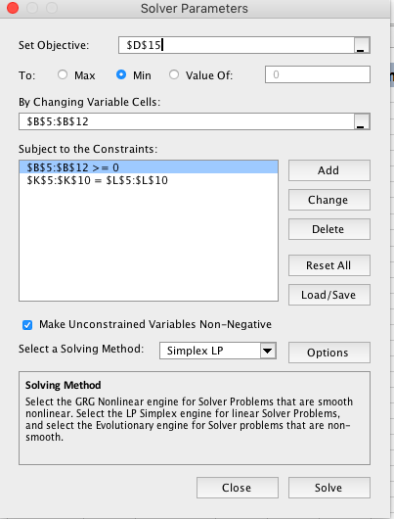
Ship | From |  | To |  | Unit Cost | Nodes |  | Net Flow | Supply/Demand
80 | 1 | Aldinga | 3 | Geelong | $5 | 1 | Aldinga | -80 | -80
0 | 1 | Aldinga | 4 | Kalgoorlie | $8 | 2 | Canberra | -90 | -90
20 | 2 | Canberra | 3 | Geelong | $7 | 3 | Geelong | 0 | 0
70 | 2 | Canberra | 4 | Kalgoorlie | $4 | 4 | Kalgoorlie | 0 | 0
0 | 3 | Geelong | 5 | Mittagong | $2 | 5 | Mittagong | 70 | 70
100 | 3 | Geelong | 6 | Wagga Wagga | $3 | 6 | Wagga Wagga | 100 | 100
70 | 4 | Kalgoorlie | 5 | Mittagong | $3
0 | 4 | Kalgoorlie | 6 | Wagga Wagga | $6

Total Transportation Cost |  | 1330

Q2b)
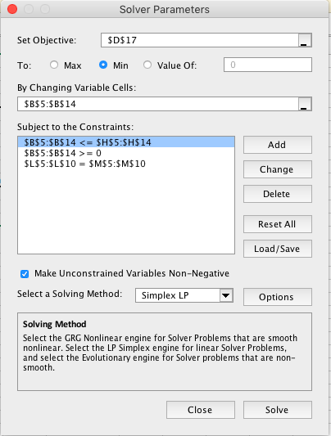

Ship | From |  | To |  | Unit Cost | Max | Nodes |  | Net Flow | Supply/Demand
80 | 1 | Aldinga | 3 | Geelong | $5 | 80 | 1 | Aldinga | -80 | -80
0 | 1 | Aldinga | 4 | Kalgoorlie | $8 | 80 | 2 | Canberra | -90 | -90
0 | 2 | Canberra | 3 | Geelong | $7 | 90 | 3 | Geelong | 0 | 0
90 | 2 | Canberra | 4 | Kalgoorlie | $4 | 90 | 4 | Kalgoorlie | 0 | 0
30 | 3 | Geelong | 5 | Mittagong | $2 | 40 | 5 | Mittagong | 70 | 70
0 | 3 | Geelong | 5 | Mittagong | $9 | 30 | 6 | Wagga Wagga | 100 | 100
50 | 3 | Geelong | 6 | Wagga Wagga | $3 | 50
0 | 3 | Geelong | 6 | Wagga Wagga | $10 | 50
40 | 4 | Kalgoorlie | 5 | Mittagong | $3 | 70
50 | 4 | Kalgoorlie | 6 | Wagga Wagga | $6 | 100

Total Transportation Cost |  | 1390

Q2c)


Ship | From |  | To |  | Unit Cost | Fixed Cost | MaxFlow | Binary | Linking | Nodes |  | Net Flow | Supply/Demand
80 | 1 | Aldinga | 3 | Geelong | $5 | 150 | 80 | 1 | 0.00 | 1 | Aldinga | -80 | -80
0 | 1 | Aldinga | 4 | Kalgoorlie | $8 | 150 | 80 | 0 | 0.00 | 2 | Canberra | -90 | -90
90 | 2 | Canberra | 3 | Geelong | $7 | 150 | 90 | 1 | 0.00 | 3 | Geelong | 0 | 0
0.00 | 2 | Canberra | 4 | Kalgoorlie | $4 | 150 | 90 | 0 | 0.00 | 4 | Kalgoorlie | 0 | 0
70 | 3 | Geelong | 5 | Mittagong | $2 | 150 | 70 | 1 | 0.00 | 5 | Mittagong | 70 | 70
100 | 3 | Geelong | 6 | Wagga Wagga | $3 | 150 | 100 | 1 | 0.00 | 6 | Wagga Wagga | 100 | 100
0 | 4 | Kalgoorlie | 5 | Mittagong | $3 | 150 | 70 | 0 | 0.00
0 | 4 | Kalgoorlie | 6 | Wagga Wagga | $6 | 150 | 100 | 0 | 0.00

Total Transportation Cost |  | 2070

Q2di)
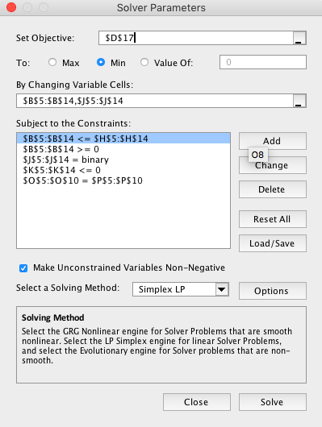
Ship | From |  | To |  | Unit Cost | MaxFlow | Fixed Cost | Binary | Linking | Nodes |  | Net Flow | Supply/Demand
80 | 1 | Aldinga | 3 | Geelong | $5 | 80 | $140 | 1 | 0.00 | 1 | Aldinga | -80 | -80
0 | 1 | Aldinga | 4 | Kalgoorlie | $8 | 80 | $140 | 0 | 0.00 | 2 | Canberra | -90 | -90
0.00 | 2 | Canberra | 3 | Geelong | $7 | 90 | $140 | 0 | 0.00 | 3 | Geelong | 0 | 0
90 | 2 | Canberra | 4 | Kalgoorlie | $4 | 90 | $140 | 1 | 0.00 | 4 | Kalgoorlie | 0 | 0
30 | 3 | Geelong | 5 | Mittagong | $2 | 40 | $140 | 1 | -10.00 | 5 | Mittagong | 70 | 70
0 | 3 | Geelong | 5 | Mittagong | $9 | 30 | $140 | 0 | 0.00 | 6 | Wagga Wagga | 100 | 100
50 | 3 | Geelong | 6 | Wagga Wagga | $3 | 50 | $140 | 1 | 0.00
0 | 3 | Geelong | 6 | Wagga Wagga | $10 | 50 | $140 | 0 | 0.00
40 | 4 | Kalgoorlie | 5 | Mittagong | $3 | 70 | $140 | 1 | -30.00
50 | 4 | Kalgoorlie | 6 | Wagga Wagga | $6 | 100 | $140 | 1 | -50.00

Total Transportation Cost |  | 2230

Q2dii)
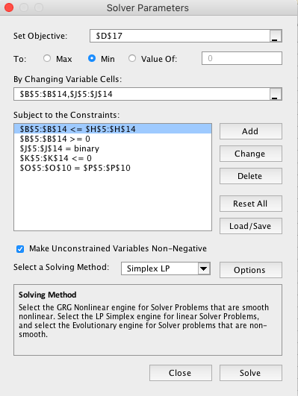

Ship | From |  | To |  | Unit Cost | MaxFlow | Fixed Cost | Binary | Linking | Nodes |  | Net Flow | Supply/Demand
80 | 1 | Aldinga | 3 | Geelong | $5 | 80 | $160 | 1 | 0.00 | 1 | Aldinga | -80 | -80
0 | 1 | Aldinga | 4 | Kalgoorlie | $8 | 80 | $160 | 0 | 0.00 | 2 | Canberra | -90 | -90
0.00 | 2 | Canberra | 3 | Geelong | $7 | 90 | $160 | 0 | 0.00 | 3 | Geelong | 0 | 0
90 | 2 | Canberra | 4 | Kalgoorlie | $4 | 90 | $160 | 1 | 0.00 | 4 | Kalgoorlie | 0 | 0
30 | 3 | Geelong | 5 | Mittagong | $2 | 40 | $160 | 1 | -10.00 | 5 | Mittagong | 70 | 70
0 | 3 | Geelong | 5 | Mittagong | $9 | 30 | $160 | 0 | 0.00 | 6 | Wagga Wagga | 100 | 100
50 | 3 | Geelong | 6 | Wagga Wagga | $3 | 50 | $160 | 1 | 0.00
0 | 3 | Geelong | 6 | Wagga Wagga | $10 | 50 | $160 | 0 | 0.00
40 | 4 | Kalgoorlie | 5 | Mittagong | $3 | 70 | $160 | 1 | -30.00
50 | 4 | Kalgoorlie | 6 | Wagga Wagga | $6 | 100 | $160 | 1 | -50.00

Total Transportation Cost |  | 2350

Q2diii)


Ship | From |  | To |  | Unit Cost | MaxFlow | Fixed Cost | Binary | Linking | Nodes |  | Net Flow | Supply/Demand
0.00 | 1 | Aldinga | 3 | Geelong | $5 | 80 | $280 | 0 | 0.00 | 1 | Aldinga | -80 | -80
80 | 1 | Aldinga | 4 | Kalgoorlie | $8 | 80 | $280 | 1 | 0.00 | 2 | Canberra | -90 | -90
0.00 | 2 | Canberra | 3 | Geelong | $7 | 90 | $280 | 0 | 0.00 | 3 | Geelong | 0.00 | 0
90 | 2 | Canberra | 4 | Kalgoorlie | $4 | 90 | $280 | 1 | 0.00 | 4 | Kalgoorlie | 0 | 0
0 | 3 | Geelong | 5 | Mittagong | $2 | 40 | $280 | 0 | 0.00 | 5 | Mittagong | 70 | 70
0 | 3 | Geelong | 5 | Mittagong | $9 | 30 | $280 | 0 | 0.00 | 6 | Wagga Wagga | 100 | 100
0.00 | 3 | Geelong | 6 | Wagga Wagga | $3 | 50 | $280 | 0 | 0.00
0 | 3 | Geelong | 6 | Wagga Wagga | $10 | 50 | $280 | 0 | 0.00
70 | 4 | Kalgoorlie | 5 | Mittagong | $3 | 70 | $280 | 1 | 0.00
100 | 4 | Kalgoorlie | 6 | Wagga Wagga | $6 | 100 | $280 | 1 | 0.00

Total Transportation Cost |  | 2930

Q2e)
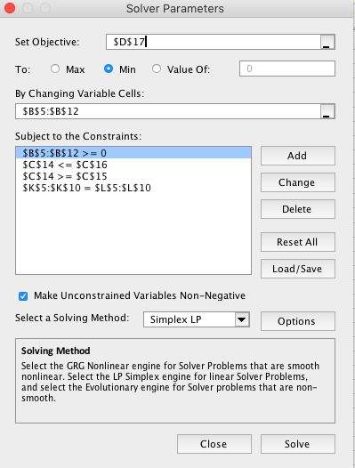

Ship | From |  | To |  | Unit Cost | Nodes |  | Net Flow | Supply/Demand
80 | 1 | Aldinga | 3 | Geelong | $5 | 1 | Aldinga | -80 | -80
0 | 1 | Aldinga | 4 | Kalgoorlie | $8 | 2 | Canberra | -90 | -90
0 | 2 | Canberra | 3 | Geelong | $7 | 3 | Geelong | 0 | 0
90 | 2 | Canberra | 4 | Kalgoorlie | $4 | 4 | Kalgoorlie | 0 | 0
30 | 3 | Geelong | 5 | Mittagong | $2 | 5 | Mittagong | 70 | 70
50 | 3 | Geelong | 6 | Wagga Wagga | $3 | 6 | Wagga Wagga | 100 | 100
40 | 4 | Kalgoorlie | 5 | Mittagong | $3
50 | 4 | Kalgoorlie | 6 | Wagga Wagga | $6

Flow from Aldinga to Geelong and Kalgoorie to Mittagong | 120
Lower Bound | 100
Upper Bound | 120
Total Transportation Cost |  | 1390

